Sheet1
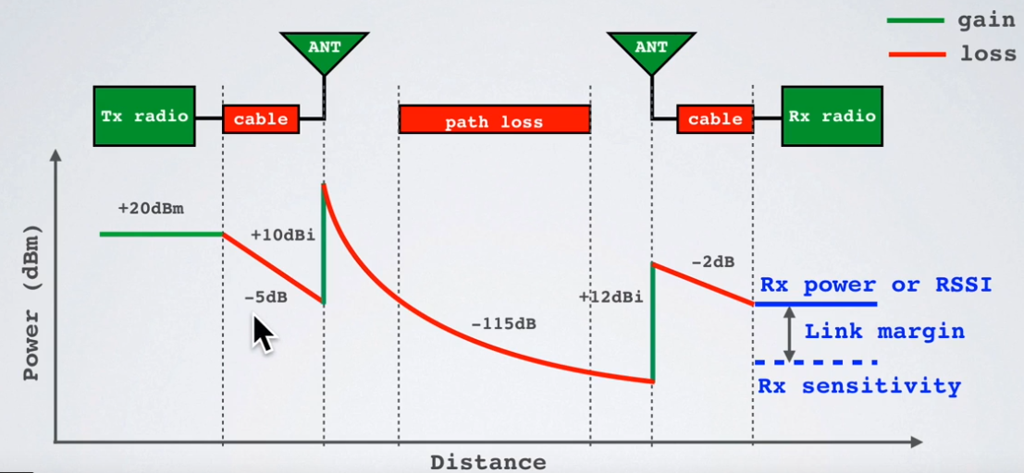
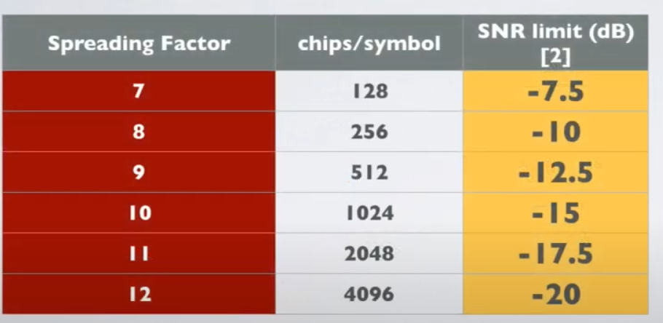
f/MHz | 868

 |  |  |  | Path loss
 | TX Strength | Cable loss | Antenna | 0 | 10 | 20 | 30 | 40 | 50 | 60 | 70 | 80 | 90 | 100 | 110 | 120 | 130 | 140 | 150 | 160 | 170 | 180 | 190 | 200 | 210 | 220 | 230 | 240 | 250 | 260 | 270 | 280 | 290 | 300 | 310 | 320 | 330 | 340 | 350 | 360 | 370 | 380 | 390 | 400 | Reciever | RX
dB change | 20 | 3 | -12 | 0 | 51.220394504 | 57.240994417 | 60.762819598 | 63.26159433 | 65.19979459 | 66.783419511 | 68.122355304 | 69.282194243 | 70.305244692 | 71.220394504 | 72.048248207 | 72.804019424 | 73.49926155 | 74.142955217 | 74.742219685 | 75.302794157 | 75.829372931 | 76.325844606 | 76.795466523 | 77.240994417 | 77.664780398 | 78.06884812 | 78.454951224 | 78.824619338 | 79.179194677 | 79.519861463 | 79.847669787 | 80.16355513 | 80.468354462 | 80.762819598 | 81.04762838 | 81.32339407 | 81.590673301 | 81.849972844 | 82.101755391 | 82.346444519 | 82.584428985 | 82.816066436 | 83.041686644 | 83.26159433 | 3
Actual dB | 20 | 17 | 5 | 5 | -46.220394504 | -52.240994417 | -55.762819598 | -58.26159433 | -60.19979459 | -61.783419511 | -63.122355304 | -64.282194243 | -65.305244692 | -66.220394504 | -67.048248207 | -67.804019424 | -68.49926155 | -69.142955217 | -69.742219685 | -70.302794157 | -70.829372931 | -71.325844606 | -71.795466523 | -72.240994417 | -72.664780398 | -73.06884812 | -73.454951224 | -73.824619338 | -74.179194677 | -74.519861463 | -74.847669787 | -75.16355513 | -75.468354462 | -75.762819598 | -76.04762838 | -76.32339407 | -76.590673301 | -76.849972844 | -77.101755391 | -77.346444519 | -77.584428985 | -77.816066436 | -78.041686644 | -78.26159433 | -75.26159433 | -75.26159433
RX Sens. | -124.53089987 | -124.53089987 | -124.53089987 | -124.53089987 | -124.53089987 | -124.53089987 | -124.53089987 | -124.53089987 | -124.53089987 | -124.53089987 | -124.53089987 | -124.53089987 | -124.53089987 | -124.53089987 | -124.53089987 | -124.53089987 | -124.53089987 | -124.53089987 | -124.53089987 | -124.53089987 | -124.53089987 | -124.53089987 | -124.53089987 | -124.53089987 | -124.53089987 | -124.53089987 | -124.53089987 | -124.53089987 | -124.53089987 | -124.53089987 | -124.53089987 | -124.53089987 | -124.53089987 | -124.53089987 | -124.53089987 | -124.53089987 | -124.53089987 | -124.53089987 | -124.53089987 | -124.53089987 | -124.53089987 | -124.53089987 | -124.53089987 | -124.53089987 | -124.53089987 | -124.53089987

dB Signal

Bandw/Hz | 125000
NF/dB | 6
SNR/dB | -7.5

RX Sens. | -124.53089987

